New Matrix - EN
Refer to the CCCPE CERTIFICATION APPLICATION KIT for further details | Foundational - background content relevant to the practice of ergonomics/human factors (Ergo/HF) |  |  |  |  | Specific - must be taught with specific reference to, and examples from, the practice of Ergo/HF |  |  |  |  |  |  |  | effective: Jan 2020
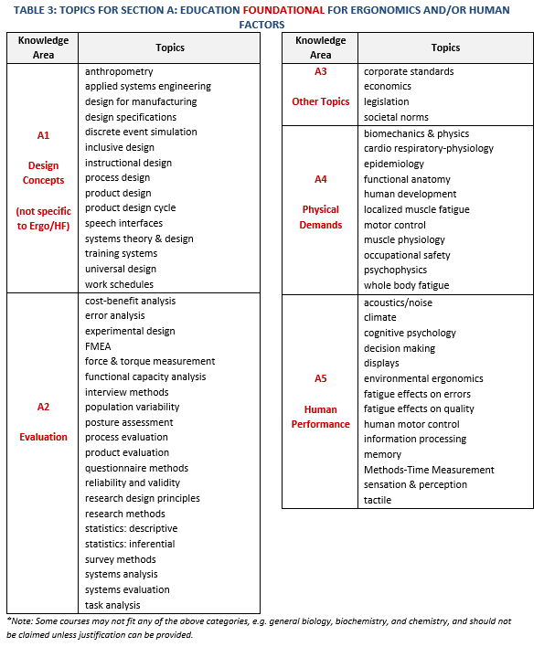
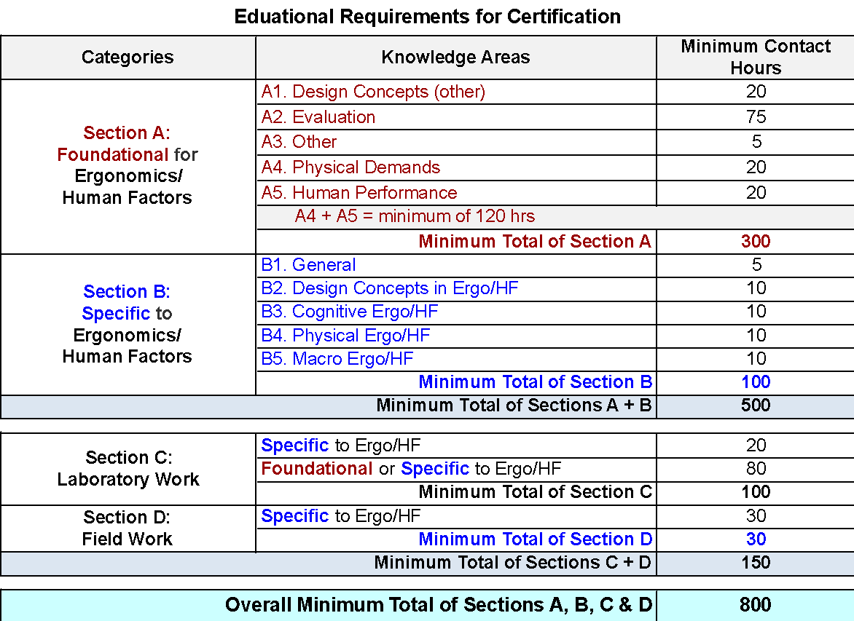
Table 6: Education Course Allocation Log
Sections | Section A: Foundational for Ergonomics/Human Factors |  |  |  |  | Section B: Specific to Ergonomics/Human Factors |  |  |  |  | Section C: Laboratory Work |  | Section D: Field Work | Totals
Course Number and Name | A1 Design Concepts (other) | A2 Evalua- tion | A3 Other Topics | A4 Physical Demands | A5 Human Perform- ance | B1 General | B2 Design Concepts: Ergo/HF | B3 Cognitive Ergo/HF | B4 Physical Ergo/HF | B5 Macro Ergo/HF | Specific to Ergo/HF | Foundational or Specific to Ergo/HF | Specific to Ergo/HF | Class Total A + B (values >45 are flagged) | Course Total A + B + C + D
Example: KIN123 - Introduction to Biomechanics | 0 | 9 | 10 | 15 | 12 | 0 | 0 | 0 | 0 | 0 | 0 | 20 | 0 | 46.0 | 66.0
Example: KIN456 - Advanced Physcial Ergonomics | 2 | 0 | 0 | 2 | 2 | 4 | 3 | 1 | 18 | 2 | 2 | 8 | 20 | 34.0 | 64.0
(note, replace examples with your data) |  |  |  |  |  |  |  |  |  |  |  |  |  | 0.0 | 0.0
 |  |  |  |  |  |  |  |  |  |  |  |  |  | 0.0 | 0.0
 |  |  |  |  |  |  |  |  |  |  |  |  |  | 0.0 | 0.0
 |  |  |  |  |  |  |  |  |  |  |  |  |  | 0.0 | 0.0
 |  |  |  |  |  |  |  |  |  |  |  |  |  | 0.0 | 0.0
 |  |  |  |  |  |  |  |  |  |  |  |  |  | 0.0 | 0.0
 |  |  |  |  |  |  |  |  |  |  |  |  |  | 0.0 | 0.0
 |  |  |  |  |  |  |  |  |  |  |  |  |  | 0.0 | 0.0
 |  |  |  |  |  |  |  |  |  |  |  |  |  | 0.0 | 0.0
 |  |  |  |  |  |  |  |  |  |  |  |  |  | 0.0 | 0.0
 |  |  |  |  |  |  |  |  |  |  |  |  |  | 0.0 | 0.0
 |  |  |  |  |  |  |  |  |  |  |  |  |  | 0.0 | 0.0
 |  |  |  |  |  |  |  |  |  |  |  |  |  | 0.0 | 0.0
 |  |  |  |  |  |  |  |  |  |  |  |  |  | 0.0 | 0.0
 |  |  |  |  |  |  |  |  |  |  |  |  |  | 0.0 | 0.0
 |  |  |  |  |  |  |  |  |  |  |  |  |  | 0.0 | 0.0
 |  |  |  |  |  |  |  |  |  |  |  |  |  | 0.0 | 0.0
 |  |  |  |  |  |  |  |  |  |  |  |  |  | 0.0 | 0.0
 |  |  |  |  |  |  |  |  |  |  |  |  |  | 0.0 | 0.0
 |  |  |  |  |  |  |  |  |  |  |  |  |  | 0.0 | 0.0
 |  |  |  |  |  |  |  |  |  |  |  |  |  | 0.0 | 0.0
 |  |  |  |  |  |  |  |  |  |  |  |  |  | 0.0 | 0.0
 |  |  |  |  |  |  |  |  |  |  |  |  |  | 0.0 | 0.0
 |  |  |  |  |  |  |  |  |  |  |  |  |  | 0.0 | 0.0
 |  |  |  |  |  |  |  |  |  |  |  |  |  | 0.0 | 0.0
 |  |  |  |  |  |  |  |  |  |  |  |  |  | 0.0 | 0.0
 |  |  |  |  |  |  |  |  |  |  |  |  |  | 0.0 | 0.0
 |  |  |  |  |  |  |  |  |  |  |  |  |  | 0.0 | 0.0
 |  |  |  |  |  |  |  |  |  |  |  |  |  | 0.0 | 0.0
 |  |  |  |  |  |  |  |  |  |  |  |  |  | 0.0 | 0.0
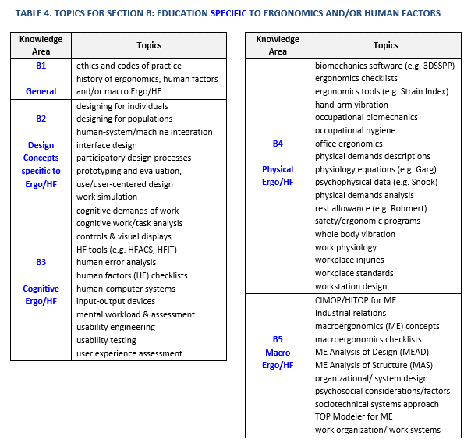
 |  |  |  |  |  |  |  |  |  |  |  |  |  | 0.0 | 0.0
 |  |  |  |  |  |  |  |  |  |  |  |  |  | 0.0 | 0.0
 |  |  |  |  |  |  |  |  |  |  |  |  |  | 0.0 | 0.0
 |  |  |  |  |  |  |  |  |  |  |  |  |  | 0.0 | 0.0
 |  |  |  |  |  |  |  |  |  |  |  |  |  | 0.0 | 0.0
 |  |  |  |  |  |  |  |  |  |  |  |  |  | 0.0 | 0.0
 |  |  |  |  |  |  |  |  |  |  |  |  |  | 0.0 | 0.0
 |  |  |  |  |  |  |  |  |  |  |  |  |  | 0.0 | 0.0
 |  |  |  |  |  |  |  |  |  |  |  |  |  | 0.0 | 0.0
 |  |  |  |  |  |  |  |  |  |  |  |  |  | 0.0 | 0.0
 |  |  |  |  |  |  |  |  |  |  |  |  |  | 0.0 | 0.0
 |  |  |  |  |  |  |  |  |  |  |  |  |  | 0.0 | 0.0
 |  |  |  |  |  |  |  |  |  |  |  |  |  | 0.0 | 0.0
 |  |  |  |  |  |  |  |  |  |  |  |  |  | 0.0 | 0.0
 |  |  |  |  |  |  |  |  |  |  |  |  |  | 0.0 | 0.0
 |  |  |  |  |  |  |  |  |  |  |  |  |  | 0.0 | 0.0
 |  |  |  |  |  |  |  |  |  |  |  |  |  | 0.0 | 0.0
 |  |  |  |  |  |  |  |  |  |  |  |  |  | 0.0 | 0.0
 |  |  |  |  |  |  |  |  |  |  |  |  |  | 0.0 | 0.0
 |  |  |  |  |  |  |  |  |  |  |  |  |  | 0.0 | 0.0
 |  |  |  |  |  |  |  |  |  |  |  |  |  | 0.0 | 0.0
 |  |  |  |  |  |  |  |  |  |  |  |  |  | 0.0 | 0.0
 |  |  |  |  |  |  |  |  |  |  |  |  |  | 0.0 | 0.0
Totals | A: Foundational for Ergonomics/Human Factors |  |  |  |  | B: Specific to Ergonomics/Human Factors |  |  |  |  | C: Laboratory Work |  | D: Field Work
 | Design (other) | Evalua- tion | Other Topics | Physical Demands | Perform- ance | General | Design Concepts | Cognitive Ergo/HF | Physical Ergo/HF | Macro Ergo/HF | Specific to Ergo/HF | Foundational or Specific | Specific to Ergo/HF
Total contact hours per column | 2.0 | 9.0 | 10.0 | 17.0 | 14.0 | 4.0 | 3.0 | 1.0 | 18.0 | 2.0 | 2.0 | 28.0 | 20.0
Minimum contact hours per column | 20 | 75 | 5 | 20 | 20 | 5 | 10 | 10 | 10 | 10 | 20 | 80 | 30
Total contact hours for A4 + A5 |  |  |  | 31.0
Minimum contact hours for A4 + A5 |  |  |  | Min A4 + A5 = 120
Total contact hours per Section | 52.0 |  |  |  |  | 28.0 |  |  |  |  | 30.0
Minimum contact hours per Section | Minimum for Section A = 300 |  |  |  |  | Minimum for Section B = 100 |  |  |  |  | Minimum for C = 100
Total contact hours across Sections | 80.0 |  |  |  |  |  |  |  |  |  | 50.0
Minimum contact hours across Sections | Minimum for Sections A + B = 500 |  |  |  |  |  |  |  |  |  | Minimum for Sections C + D = 150
Grand total contact hours | 130.0
Minimum grand total of contact hours | Minimum grand total for Sections A + B + C + D = 800

Colour Code | Total Sufficient |  |  | Total Too Low |  |  | Total Flagged

